cofig
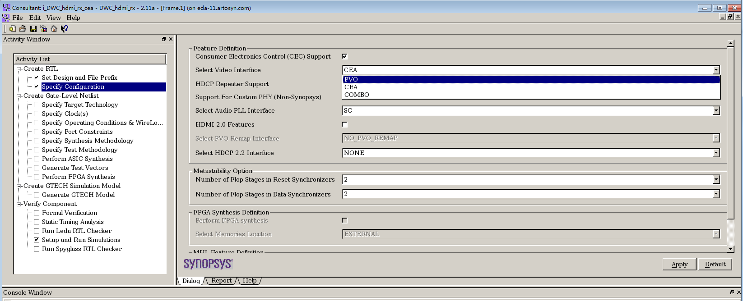

video mapping
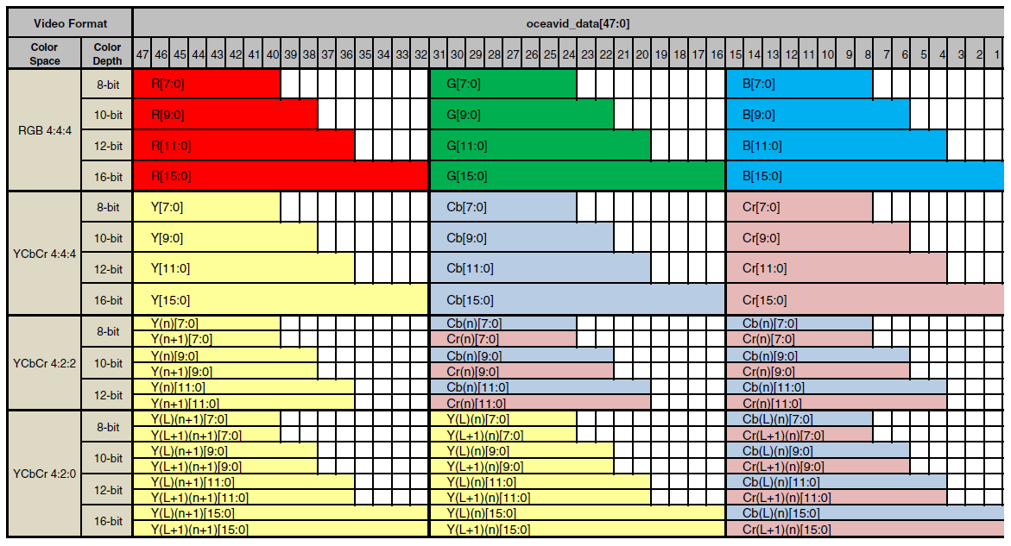
Video mapping

upto 16bit

conver to 12bit?
codec support 12bit

audio pll
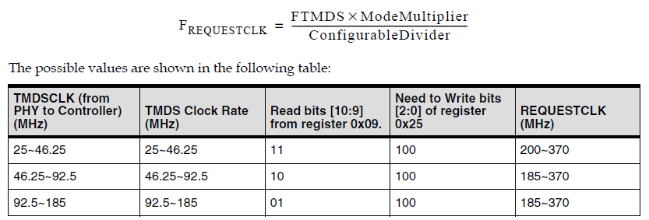
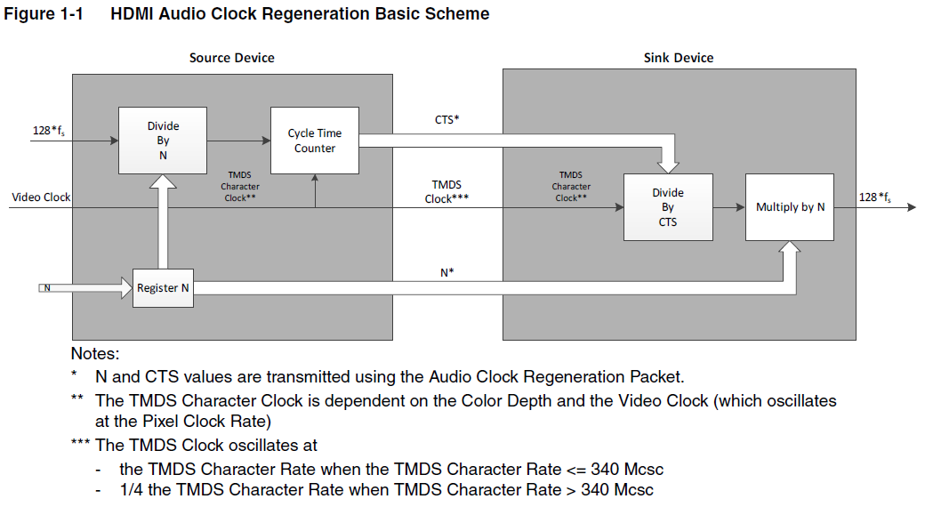

 | 4.096Mhz ~ 24.576M , 准确率+－1000PPM
 | itmdsclk: 25M ~ 340M

USE REQUESTCLK/10 to replace TMDSCLK

1.power-up
2. wait for tmdsvalid assert
3. read register 0x09 bit [10:9]

4. set register 0x25 bit[2:0] as below table

